How to Use
 |  |  |  |  |  |  |  | 
Thank You for Downloading Our Push Notification Resource!
The aim of this is to allow you to encourage your users to engage with the safeguarding content in your Safer Schools NI App and make Notifications from the app a regular part of your school community. We know it's not always easy to think of what to write, so this resource allows you to simply copy and paste, and suggests where in the App content you could direct your users. This page will explain how this bank of notifications works and how it should be used.
The Notifications shown in this resource have been divided by audience using the tabs on the bottom, allowing you to send relevant notifications to parents or primary or secondary pupils or to your staff, ensuring the content is relevant to the audience that will be seeing it. In the cases of the seasonal themes, the notifications may mirror each other to parents and staff. Additionally, you can filter and select based on the Notification Topic also using the filters at the top of each column.

Additional Help and Resources
Read about Making and Using Push notifications 👉🏻 |  |  | https://support.ineqe.com/ssni-push-notifications
Further help and support as a school Admin 👉🏻 |  |  | https://support.ineqe.com/safer-schools-ni#support-for-school-admins

Let's look at this notification as an example:

Month (If relevant) | Date (If relevant) | Topic | Seasonal Themes | Title (Max 25 characters) | Body (Max 125 characters) | Suggested In-App Content | Suggested Resource | Resource Link
Where applicable, this is the date/s a particular event, national day or celebration may take place on if you wish to link your notifications to something topical! |  | This is the overwhelming topic or theme of the suggested Push Notification, allowing you to select one based on not only date but topic if required. | Where applicable, this is a particular event, national day or celebration may be taking place if you wish to link your notifications to something topical! | These are the items from this document that you will be copying and pasting into your portal when creating your Push Notifications. Once in your portal you can alter the text if desired. |  | These are the suggested in-app pathways or resources we think you can send users to if you're not sure! REMEMBER a Push Notification is a prompt to action for users to engage with something - that could be a survey, a piece of content, a worksheet or looking at a change in school policy for example. When you see a suggestion written with > symbols, this indicates the App Pathway you'll select when creating your notification.
May | 14th | Screen Time | Children's Day UK | National Children's Day | This National Children's Day, lets focus on playing, laughing, & make memories together! | Online Safety Guidance > Need to Know > Screen Smart | Family Screen Time Pack | Copy and paste this link if you wish to direct here instead into the "News and Updates" location option

To send this notification to your School Community, follow these steps:
Step 1
Select your audience from the list at the top
NOTE that if you're sending your users to in-app content you can only send Push Notifications to one role at a time.

 |  |  |  |  | 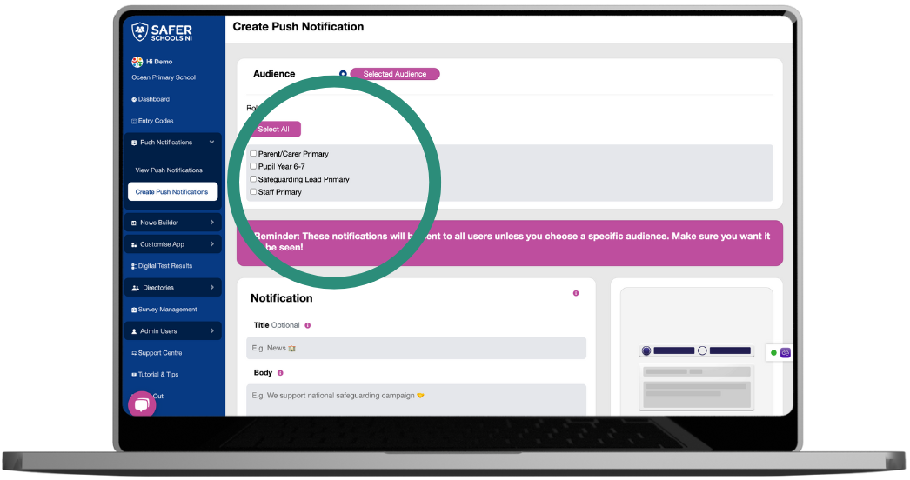
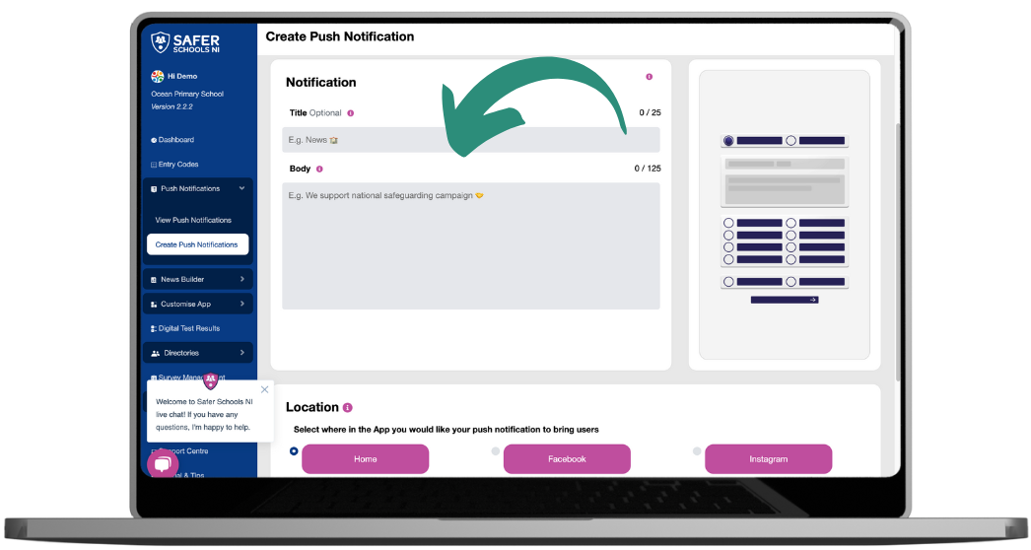
Step 2
Copy and paste the desired Title and Body text from the resource into the appropriate boxes.

Step 3
Select Online Safety Guidance from the list of Locations, or whichever location is specified on the Push Notification you wish to send. Then select the appropriate resulting options. Here, we'll select Page then Need to Know then Screen Smart.

 |  |  |  |  | 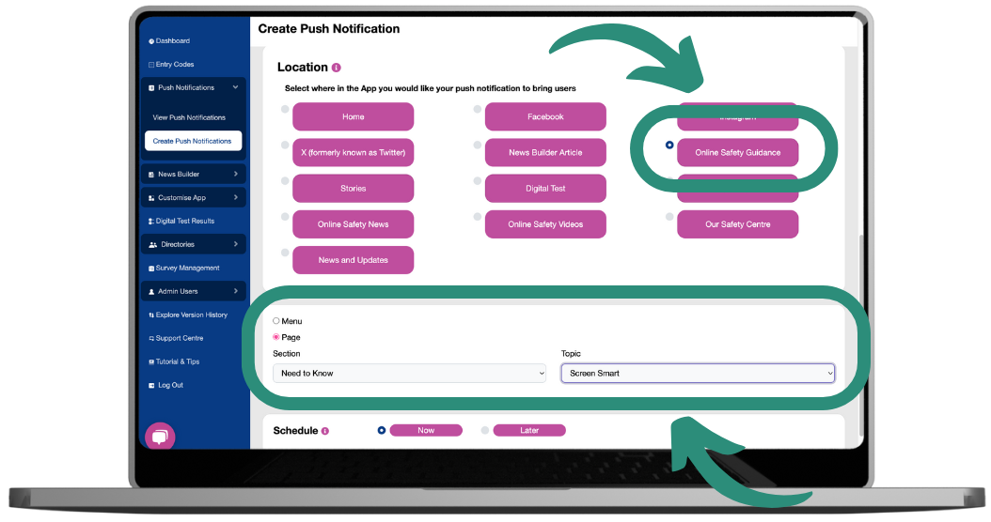

Click Send!
The notification will appear like this on your user's devices and then take them where you have designated!
 |  |  |  |  | 